Sheet1
Performance Snapshot |  |  |  |  | Microarchitecture Exploration |  |  |  |  | Hotspots
File combo | IPC | Bad Speculation | Physical Core Utilization | DRAM Bound | File combo | Instructions Retired | CPI Rate | Port Utilization | Average CPU Frequency | File combo | Top Hotspot
bfs_huge | 0.168 | 5.80% | 92.90% | 39.10% | bfs_huge | 54,219,600,000 | 6.671 | 51.40% | 2.0 GHZ | bfs_huge | 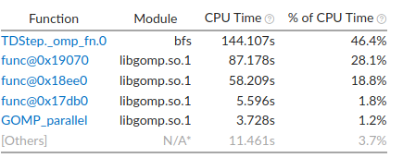
bfs_soc | 0.56 | 20.80% | 81.00% | 15.70% | bfs_soc | 9,934,200,000 | 1.859 | 39.80% | 2.8 GHZ | bfs_soc | 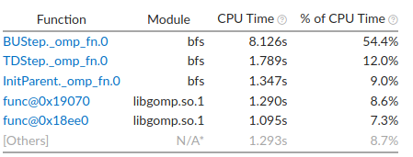
cc_huge | 0.221 | 9.50% | 96.30% | 49.70% | cc_huge | 48,292,200,000 | 4.641 | 17.80% | 1.6 GHZ | cc_huge | 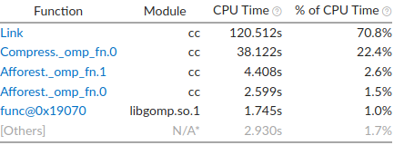
cc_soc | 0.477 | 22.20% | 81.20% | 30.20% | cc_soc | 11,703,600,000 | 3.454 | 70.80% | 3.0 GHZ | cc_soc | 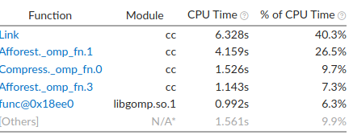
pr_huge | 0.259 | 0% | 94.70% | 71.70% | pr_huge | 36,640,800,000 | 3.876 | 19.90% | 1.3 GHZ | pr_huge
pr_soc | 0.427 | 9% | 94.90% | 44.60% | pr_soc | 154,632,600,000 | 2.526 | 34.10% | 2.0 GHZ | pr_soc

 |  |  |  |  |  |  |  |  |  |  |  | Memory Access
 |  |  |  |  |  |  |  |  |  |  |  | File combo | Loads | Stores | LLC Miss Count | Average Latency(cycles)
 |  |  |  |  |  |  |  |  |  |  |  | bfs_huge | 20.852.732.523 | 2,645,663,393 | 555,976,368 | 19
 |  |  |  |  |  |  |  |  |  |  |  | bfs_soc | 2,646,787,550 | 453.333.452 | 11,425,028 | 11
 |  |  |  |  |  |  |  |  |  |  |  | cc_huge | 12.914.300.357 | 2.226.390.954 | 1,092,807,026 | 36
 |  |  |  |  |  |  |  |  |  |  |  | cc_soc | 2,277,864,699 | 334,658,652 | 22,514,587 | 12
 |  |  |  |  |  |  |  |  |  |  |  | pr_huge | 9,206,272,300 | 2,407,209,228 | 1.909.116.091 | 87
 |  |  |  |  |  |  |  |  |  |  |  | pr_soc | 52,476,376,516 | 3,640,401.50 | 2.362.208.290 | 41

 |  |  |  |  |  |  |  |  |  |  |  | Threading
 |  |  |  |  |  |  |  |  |  |  |  | File combo | Total Thread Count | Wait Time with poor CPU Utilization.
 |  |  |  |  |  |  |  |  |  |  |  | bfs_huge | 16 | 0.297s
 |  |  |  |  |  |  |  |  |  |  |  | bfs_soc | 16 | 0.278s
 |  |  |  |  |  |  |  |  |  |  |  | cc_huge | 16 | 0.254s
 |  |  |  |  |  |  |  |  |  |  |  | cc_soc | 16 | 0.284s
 |  |  |  |  |  |  |  |  |  |  |  | pr_huge | 16 | 0.295s
 |  |  |  |  |  |  |  |  |  |  |  | pr_soc | 16 | 0.287s

 |  |  |  |  |  |  |  |  |  |  |  | Memory Consumption
 |  |  |  |  |  |  |  |  |  |  |  | File combo
 |  |  |  |  |  |  |  |  |  |  |  | bfs_huge
 |  |  |  |  |  |  |  |  |  |  |  | bfs_soc
 |  |  |  |  |  |  |  |  |  |  |  | cc_huge
 |  |  |  |  |  |  |  |  |  |  |  | cc_soc
 |  |  |  |  |  |  |  |  |  |  |  | pr_huge
 |  |  |  |  |  |  |  |  |  |  |  | pr_soc

 |  |  |  |  |  |  |  |  |  |  |  | Input/Output
 |  |  |  |  |  |  |  |  |  |  |  | File combo | Effective Physical Core Utilization: | Effective Logical Core Utilization
 |  |  |  |  |  |  |  |  |  |  |  | bfs_huge | 93.20% | 93.00%
 |  |  |  |  |  |  |  |  |  |  |  | bfs_soc | 70.60% | 68.90%
 |  |  |  |  |  |  |  |  |  |  |  | cc_huge | 95.20% | 94.90%
 |  |  |  |  |  |  |  |  |  |  |  | cc_soc | 76.80% | 75.50%
 |  |  |  |  |  |  |  |  |  |  |  | pr_huge | 89.30% | 89.00%
 |  |  |  |  |  |  |  |  |  |  |  | pr_soc | 91.00% | 90.80%

